Foglio1
 |  |  | EDIFICIO 1 |  |  | EDIFICIO 2
 |  |  | piano 3 |  |  | piano 3
 | 30 computer HP |  |  |  | 30 computer HP
 | 1 switch Cisco |  |  |  | 1 switch Cisco
 | 1 switch Cisco |  |  |  | 1 switch Cisco
 | 1 access point Cisco |  |  |  | 1 access point Cisco
 | ip broadcast |  |  | 192.168.1.63 | ip broadcast |  | 192.168.2.255
 | ip network |  |  | 192.168.1.0 | ip network |  | 192.168.2.192
 | ip gateway |  |  | 192.168.1.1 | ip gateway |  | 192.168.2.193
 | ip host |  |  | 192.168.1.2-62 | ip host |  | 192.168.2.194-254
 |  |  | piano 2 |  |  | piano 2
 | 30 computer HP all in one |  |  |  | 30 computer HP all in one
 | 1 switch Cisco |  |  |  | 1 switch Cisco
 | 1 switch Cisco |  |  |  | 1 switch Cisco
 | 1 access point Cisco |  |  |  | 1 access point Cisco
 | ip broadcast |  |  | 192.168.1.127 | ip broadcast |  | 192.168.2.191
 | ip network |  |  | 192.168.1.64 | ip network |  | 192.168.2.128
 | ip gateway |  |  | 192.168.1.65 | ip gateway |  | 192.168.2.129
 | ip host |  |  | 192.168.1.66-126 | ip host |  | 192.168.2.130-190
 |  |  | piano 1 |  |  | piano 1
 | 30 computer HP all in one |  |  |  | 30 computer HP all in one
 | 1 switch Cisco |  |  |  | 1 switch Cisco
 | 1 switch Cisco |  |  |  | 1 switch Cisco
 | 1 access point Cisco |  |  |  | 1 access point Cisco
 | ip broadcast |  |  | 192.168.1.191 | ip broadcast |  | 192.168.2.127
 | ip network |  |  | 192.168.1.128 | ip network |  | 192.168.2.64
 | ip gateway |  |  | 192.168.1.129 | ip gateway |  | 192.168.2.65
 | ip host |  |  | 192.168.1.130-190 | ip host |  | 192.168.2.66-126
 |  |  | piano terra |  |  | piano terra
 | 30 computer HP all in one |  |  |  | 30 computer HP all in one
 | 1 switch Cisco |  |  |  | 1 switch Cisco
 | 1 switch Cisco |  |  |  | 1 switch Cisco
 | 1 access point Cisco |  |  |  | 1 access point Cisco
 | ip broadcast |  |  | 192.168.1.255 | ip broadcast |  | 192.168.2.63
 | ip network |  |  | 192.168.1.192 | ip network |  | 192.168.2.0
 | ip gateway |  |  | 192.168.1.193 | ip gateway |  | 192.168.2.1
 | ip host |  |  | 192.168.1.194-254 | ip host |  | 192.168.2.2-62

Ad ogni piano ci saranno 30 computer connessi, andremo quindi ad usare una subnet mask di 255.255.255.192. Avró quindi 61 IP per gli Host in modo da non avere sprechi.

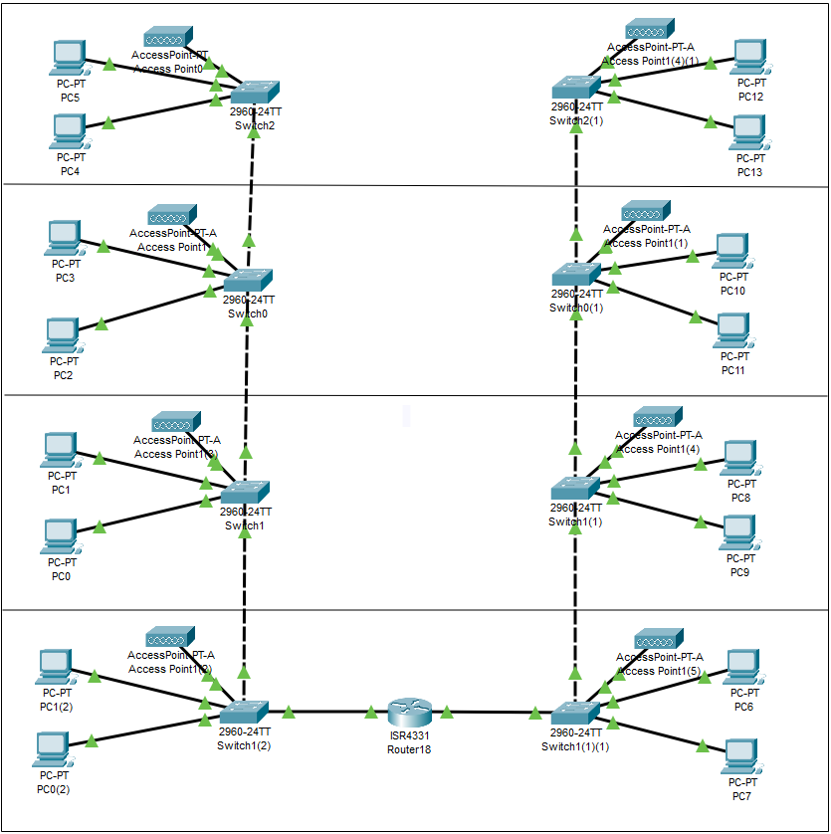

CONFIGURAZIONE
Verrá inserito uno switch ad ogni piano connesso a tutti i dispositivi di quel piano. Al piano terra si avrá in uno edei due edifici una sala apposita per il router e i server alla quale si coonetteranno entrambi
gli edifici. Si aggiungeranno come dispositivi ad ogni piano: stampanti, access point, telefono.
Ogni computer sará predisposto con: windows 11. antivirus, pacchetto office. Il piano terra sará dotato di una connessione WI FI free per i clienti.

QUANTITÁ |  | PRODOTTO |  | COSTO | TOTALE
130 |  | HP all in one |  | 700 | 91000
34 |  | stampanti |  | 200 | 7600
4 |  | telefoni fissi |  | 40 | 160
4 |  | televisori |  | 500 | 2000
16 |  | condizionatori |  | 500 | 8000
8 |  | access point |  | 220 | 1760
8 |  | switch |  | 400 | 3200
1 |  | router |  | 600 | 600
2 |  | antifurti |  | 500 | 1000
30 |  | componenti pc |  | 300 | 9000
3 |  | software |  | 500 | 500

 |  |  |  | Totale spese: | €124820

